Introduction
QUEUE SURVEY
For Back of Queue and Queue at Start of Green / Start of Gap
Copyright Akcelik & Associates Pty Ltd 2000-2023
Updated: 20 November 2023

INTRODUCTION

This SIDRA QUEUE SURVEY Excel application (SIDRA_QUEUE-SURVEY.xlsx) presents a method for field surveys of Back of Queue and Queue at Start of Green or Queue at Start of Gap for signalised and unsignalised intersections, interchanges and pedestrian crossings. Queue at Start of Gap is for roundabouts, sign-controlled intersections and pedestrian crossings. This application includes Queue Survey FORM and Queue Survey EXAMPLE worksheets. The Queue at Start of Green at signalised intersections and the Queue at Start of Gap at unsignalised intersections can be more useful for calibration purposes as it is easier to observe than the Back of Queue. For model calibration and validation purposes, the queue observation method needs to match the queue estimates given by SIDRA INTERSECTION. Figures 1 and 2 below show the basis of this survey method that matches the SIDRA Back of Queue and Queue at Start of Green / Gap models. This survey method is recommended for calibration and validation of SIDRA average and percentile queue estimates. Detailed information on queue modelling is included in the SIDRA INTERSECTION User Guide.
As seen in Figures 1 and 2, The survey requires recording the Queue at Start of Green (or at start of gap) and the arrivals at the Back of Queue during green (or during gap) time every signal cycle (or gap acceptance cycle). Start of gap can be identified as the time when the first vehicle in the queue starts departing by accepting a gap in the opposing stream. The survey method is applied for individual lanes. Various other queue length and vehicle counts recorded in the survey form are shown in figures below. In both figures the Queue at Start Red (Ni) is zero. The Overflow Queue (No) is shown in the figure for unsignalised intersections. The Back of Queue equals the Queue at Start of Green (or Start of Gap) plus the arrivals at the back of queue during the green (gap) time (Nb = Nr + Ng). The Queue at Start of Green (or Start of Gap) (Nr) includes the Initial Overflow Queue from the previous cycle (Ni). Unqueued vehicles arriving and departing during the green period are not included in the survey. These include platooned vehicles that are not queued. It may be difficult to decide if a vehicle has joined the back of queue when it slows down at the back of queue but keeps a large spacing. It is better not to include such vehicles in the back of queue count. Although it is more difficult due to very short cycles, the survey method is applicable to gap acceptance cycles at unsignalised intersections.
Figure 1 - Back of Queue and Queue at Start of Green at a Signalised Intersection
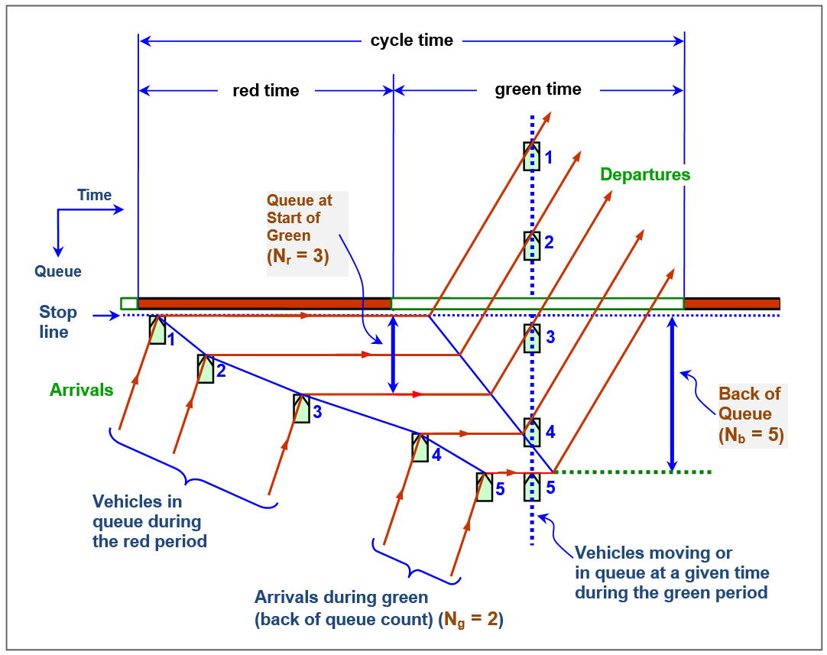

Figure 2 - Back of Queue and Queue at Start of Gap at an Unsignalised Intersection
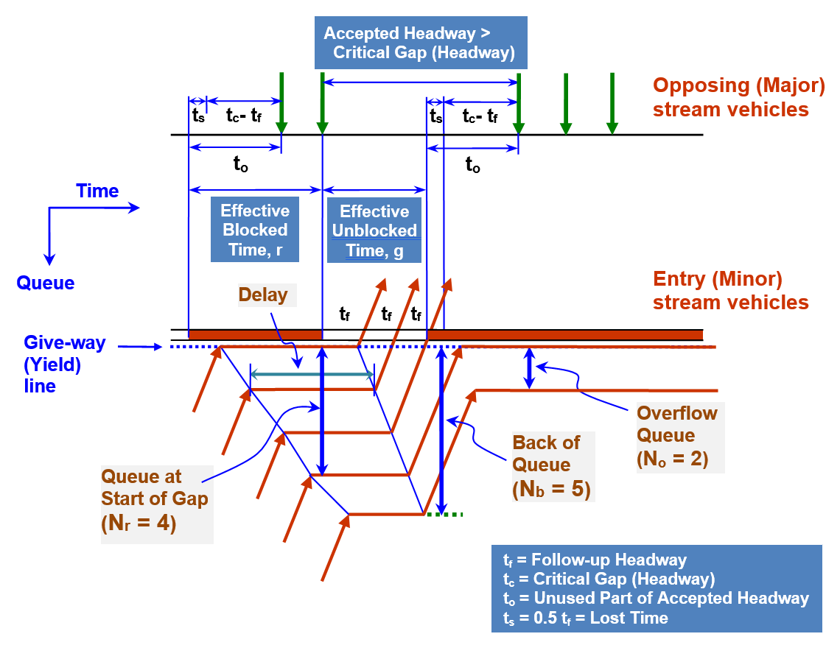

CONTACT
For all technical support, sales support and general enquiries:
support.sidrasolutions.com
For information on the SIDRA INTERSECTION software:
www.sidrasolutions.com

DISCLAIMER
The users should apply their own judgement and skills when using this application. Although the information contained in this application is considered accurate, no warranties or guarantees thereto are given. Whilst the authors have made every effort to ensure that the information in this application is correct at the time of release, Akcelik & Associates Pty Ltd, save for any statutory liability which cannot be excluded, excludes all liability for loss or damage (whether arising under contract, tort, statute or otherwise) suffered by any person relying upon the information contained in this application. Any such statutory liability is reduced to the full extent lawful.

CITATION
AKÇELIK, R. (2023). SIDRA Queue Survey (Excel Application SIDRA_QUEUE-SURVEY.xlsx). Akcelik and Associates Pty Ltd, Melbourne, Australia.

VERSION HISTORY
SIDRA_QUEUE-SURVEY.xlsx

10-Jul-21
The first release.
27-Aug-21
Introduction sheet updated.
20-Nov-23
Introduction sheet updated.

