Introduction
SATURATION FLOW SURVEY
For Saturation Flow, Start loss and End Gain at Signalised Intersections
Copyright Akcelik & Associates Pty Ltd 2000-2023
Updated: 20 November 2023

INTRODUCTION

This SIDRA SATURATION FLOW SURVEY Excel application (SIDRA_SATURATION-FLOW-SURVEY.xlsx) presents a method for field surveys of Saturation Flow which is the key parameter in the SIDRA capacity and performance models for signalised intersections, interchanges and signalised pedestrian crossings. The associated Start Loss and End Gain parameters as well as an Equivalent SCATS MF (Maximum Flow) parameter are also determined by the survey. This application includes Saturation Flow Survey FORM and Saturation Flow PROCESSING worksheets. For model calibration and validation purposes, the Saturation Flow observation method needs to match the Saturation Flow estimates given by SIDRA INTERSECTION. Figure 1 below shows the basis of this survey method that matches the SIDRA Saturation Flow model. The survey method is based on Research Report ARR 123 (Akçelik 1981), Appendix E. The related Research Report ARR 340 is useful on this subject (Akçelik, Besley and Roper 1999). This survey method is recommended for calibration and validation of SIDRA Saturation Flow and related parameter estimates. Detailed information on saturation flow modelling is included in the SIDRA INTERSECTION User Guide.
The survey method is applied for each lane separately. The data can be collected for shared and exclusive traffic lanes with mixed Movement Classes (Light Vehicles, Heavy Vehicles, Buses, etc). If the conversion of saturation flows from vehicle units as observed to through car units is desired so as to obtain basic saturation flow data for the site in question, it is necessary to process only the cycles with Through Light Vehicles, or collect data on traffic composition (Movement Classes), e.g. count Light Vehicles and Heavy Vehicles, and through and turning vehicles (Approach Movements) separately.
Figure 1 - SIDRA Saturation flow survey method
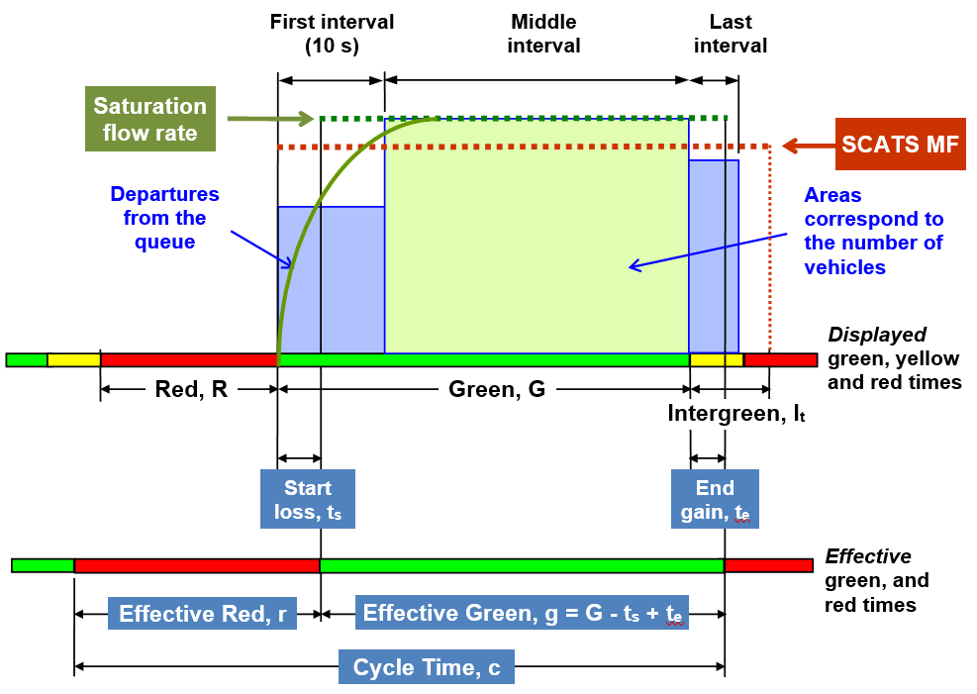
Make a copy of the Excel file for each application to keep the original unchanged. A blank copy of the survey form is included in the Saturation Flow Survey FORM worksheet. Enter your observations in the COUNTS table in the Saturation Flow PROCESSING worksheet. The data will be processed automatically in the PROCESSING table and the RESULTS will be given below the table.
The method consists of counting the number of vehicles departing from the queue during three separate intervals (columns 1 to 3) as seen in Figure1: (a) First Interval: the first 10 s of the green period; (b) Middle Interval: the rest of the green period while saturated; (c) Last Interval: the period after the end of green, i.e. yellow and the following red period.
Vehicles are counted as they cross the stop line, but a decision must be made about when the saturated period ends by observing the back of the queue. Thus, the Saturation Time (column 4) must be recorded as the time to clear the vehicles which are stopped during the red period as well as the vehicles which arrive and slow down at the back of the queue during the green period (all these vehicles are referred to as the queued vehicles). It may be difficult to decide if a vehicle has joined the back of queue when it slows down at the back of queue but keeps a large spacing. In such a case, it is better to decide that the saturated period has ended before that vehicle.
The number of queued vehicles is recorded in column 2. The vehicles which are not queued are excluded from this count. If there are no queued vehicles departing during the Middle Interval, leave column 2 blank. If no vehicles depart though queued vehicles exist, enter zero instead of blank. The saturation period includes the first interval but not the last interval. Its maximum value is the green time (recorded in column 5), and this corresponds to a fully-saturated cycle. If the saturation time is less than 10 s, the counts in that cycle are excluded from processing. The departures in the last interval must be counted only for fully-saturated conditions.
The following three cases can be observed in the PROCESSING table in the Saturation Flow PROCESSING sheet: • Fully-saturated cycle (Saturation time = Green time): Columns 1 to 3 have numbers recorded, e.g. cycles 1 and 2. • Unsaturated cycle (Green Time > Saturation Time ≥ 10 s): Only column 1, or columns 1 and 2 have numbers recorded. The queue lasts for at least 10 s, but is cleared before the end of green, e.g. cycles 3 and 4. • Cycle excluded from processing (Saturation Time < 10 s): No numbers are recorded in columns 2 and 3 and the number in column 1 is not used, e.g. cycles 5, 22.
The following will be given in the RESULTS section of the Saturation Flow PROCESSING sheet: All time values are in seconds. • Saturation Flow in vehicles per hour (s): s = 3600 X2 / (X4 - 10 n4) =3600 (A2 / A6) • Start Loss: ts = 10 - (X1 / n1) / (s / 3600) • End Gain: te = (X3 / n3) / (s / 3600) • Average Displayed Green Time: G = X5 / n5 • Effective Green Time: g = G - ts + te • Equivalent SCATS MF (Maximum Flow): sMF = s g / (G + It)

CITATION
AKÇELIK, R. (2023). SIDRA Saturation Flow Survey (Excel Application SIDRA_SATURATION-FLOW-SURVEY.xlsx). Akcelik and Associates Pty Ltd, Melbourne, Australia.

CONTACT
For all technical support, sales support and general enquiries:
support.sidrasolutions.com
For information on the SIDRA INTERSECTION software:
www.sidrasolutions.com

DISCLAIMER
The users should apply their own judgement and skills when using this application. Although the information contained in this application is considered accurate, no warranties or guarantees thereto are given. Whilst the authors have made every effort to ensure that the information in this application is correct at the time of release, Akcelik & Associates Pty Ltd, save for any statutory liability which cannot be excluded, excludes all liability for loss or damage (whether arising under contract, tort, statute or otherwise) suffered by any person relying upon the information contained in this application. Any such statutory liability is reduced to the full extent lawful.

VERSION HISTORY
SIDRA_SATURATION-FLOW-SURVEY.xlsx

28-Apr-20
The first release.
27-Aug-21
Introduction sheet included.
20-Nov-23
Introduction sheet updated.

Saturation Flow PROCESSING
Akcelik & Associates Pty Ltd
P O Box 1075G
Greythorn Victoria 3104 Australia
Telephone +61 3 9857 4943
Facsimile +61 3 9857 7462
info@sidrasolutions.com
www.sidrasolutions.com
Akcelik & Associates Pty Ltd
P O Box 1075G
Greythorn Victoria 3104 Australia
Telephone +61 3 9857 4943
Facsimile +61 3 9857 7462
info@sidrasolutions.com
www.sidrasolutions.com
SATURATION FLOW SURVEY
For Saturation Flow, Start Loss and End Gain at Signalised Intersections
Copyright Akcelik & Associates Pty Ltd 2000-2021
Updated: 20 November 2023

COUNTS |  |  |  |  |  | PROCESSING
Intersection: |  | Ferntree Gully Road / Scoresby Road, Lane 6 - Eastbound Through |  |  |  | (for cases without Lane Blockage)
Date: | 1996-05-30 |  | Time: | 5.00 to 5.45 pm
Cycle Number | Departures from Queue (vehs) |  |  | Saturation Time (s) | Green Time (s) | Cycle Number | Departures from Queue (vehs) |  |  | Saturation Time (s) | Green Time (s) | Middle Interval Time (s)
 | First Interval | Middle Interval (Saturated) | Last Interval |  |  |  | First Interval | Middle Interval (Saturated) | Last Interval
 | 1 | 2 | 3 | 4 | 5 |  | 1 | 2 | 3 | 4 | 5 | 6
1 | 3 | 12 | 1 | 35 | 35 | 1 | 3 | 12 | 1 | 35 | 35 | 25
2 | 4 | 3 | 0 | 20 | 20 | 2 | 4 | 3 | 0 | 20 | 20 | 10
3 | 3 | 6 |  | 24 | 29 | 3 | 3 | 6 |  | 24 | 29 | 14
4 | 3 |  |  | 10 | 14 | 4 | 3 |  |  | 10 | 14
5 | 1 |  |  | 3 | 12 | 5 |  |  |  |  | 12
6 | 4 | 10 |  | 34 | 46 | 6 | 4 | 10 |  | 34 | 46 | 24
7 | 3 | 23 | 1 | 52 | 52 | 7 | 3 | 23 | 1 | 52 | 52 | 42
8 | 3 | 14 |  | 44 | 53 | 8 | 3 | 14 |  | 44 | 53 | 34
9 | 3 | 10 | 2 | 34 | 34 | 9 | 3 | 10 | 2 | 34 | 34 | 24
10 | 2 | 8 | 1 | 27 | 27 | 10 | 2 | 8 | 1 | 27 | 27 | 17
11 | 2 | 4 |  | 18 | 33 | 11 | 2 | 4 |  | 18 | 33 | 8
12 | 3 | 8 |  | 25 | 30 | 12 | 3 | 8 |  | 25 | 30 | 15
13 | 4 | 6 |  | 22 | 27 | 13 | 4 | 6 |  | 22 | 27 | 12
14 | 3 | 4 |  | 21 | 34 | 14 | 3 | 4 |  | 21 | 34 | 11
15 | 3 | 15 | 0 | 45 | 45 | 15 | 3 | 15 | 0 | 45 | 45 | 35
16 | 2 | 17 | 3 | 52 | 52 | 16 | 2 | 17 | 3 | 52 | 52 | 42
17 | 3 | 18 | 1 | 52 | 52 | 17 | 3 | 18 | 1 | 52 | 52 | 42
18 | 3 | 10 |  | 25 | 26 | 18 | 3 | 10 |  | 25 | 26 | 15
19 | 4 | 12 | 2 | 38 | 38 | 19 | 4 | 12 | 2 | 38 | 38 | 28
20 | 3 | 9 | 1 | 37 | 37 | 20 | 3 | 9 | 1 | 37 | 37 | 27
21 | 4 | 6 |  | 23 | 28 | 21 | 4 | 6 |  | 23 | 28 | 13
22 | 2 |  |  | 5 | 10 | 22 |  |  |  |  | 10
23 | 3 | 9 | 1 | 20 | 20 | 23 | 3 | 9 | 1 | 20 | 20 | 10
24 | 3 | 18 | 0 | 46 | 46 | 24 | 3 | 18 | 0 | 46 | 46 | 36
25 | 3 | 19 |  | 45 | 48 | 25 | 3 | 19 |  | 45 | 48 | 35
26 | 2 | 10 | 1 | 32 | 32 | 26 | 2 | 10 | 1 | 32 | 32 | 22
27 | 4 |  |  | 10 | 13 | 27 | 4 |  |  | 10 | 13
28 | 4 | 7 |  | 24 | 29 | 28 | 4 | 7 |  | 24 | 29 | 14
29 | 2 | 15 | 1 | 50 | 50 | 29 | 2 | 15 | 1 | 50 | 50 | 40
30 | 3 | 17 | 1 | 52 | 52 | 30 | 3 | 17 | 1 | 52 | 52 | 42
Saturation Time includes the First Interval (10 s) |  |  |  |  |  |  | X1 | X2 | X3 | X4 | X5 | X6
 |  |  |  |  |  | Total | 86 | 290 | 16 | 917 | 1024 | 637
Field Notes: |  |  |  |  |  |  | n1 | n2 | n3 | n4 | n5 | n6
 |  |  |  |  |  | Samples | 28 | 26 | 15 | 28 | 30 | 26
 |  |  |  |  |  |  | A1=X1 / n1 | A2=X2 / n2 | A3=X3 / n3 | A4=X4 / n4 | A5=X5 / n5 | A6=X6 / n6
 |  |  |  |  |  | Average | 3.07 | 11.15 | 1.07 | 32.75 | 34.13 | 24.50

 |  |  |  |  |  | RESULTS
 |  |  |  |  |  | Saturation Flow Rate (veh/h) |  |  |  | 1639 | s = 3600 * A2 / A6
 |  |  |  |  |  | Departure Flow Rate during First Interval (veh/h) |  |  |  | 1106 | s1 = 3600 * A1 / 10
 |  |  |  |  |  | Start Loss (s) |  |  |  | 3.3 | ts = 10 (1 - s1 / s)
 |  |  |  |  |  | End Gain (s) |  |  |  | 2.3 | te = A3 / (s / 3600)
 |  |  |  |  |  | Average Saturated Green Ttime (s) |  |  |  | 32.8 | gs = A4
 |  |  |  |  |  | Average Displayed Green Time (s) |  |  |  | 34.1 | G = A5
 |  |  |  |  |  | Effective GreenTime (s) |  |  |  | 33.2 | g = G - ts + te
 |  |  |  |  |  | Intergreen (Yellow + All-Red) Time (s) |  |  |  | 6.0 | It
 |  |  |  |  |  | Equivalent SCATS MF (Maximum Flow) ((veh/h) |  |  |  | 1357 | sMF = s g / (G + It)

